input_output_intervals
compositions of the input should be as followed
components compostion
glu, prot 0.2, 0.8
so cool ideas
1) error mesaging while reading the excel
2° could keep the interval names (in the code) as capital letters -> no replace conflicts no more
3° write ALL eqation to the objects, read the equations there in stead of making it messy which blocks
layer | process_intervals | lower_bound | upper_bound | input_price | output_price | components | composition
1 | carbon_input | 100 | 100 | 0.57 | 0 | glu | 1
3 | acetate | 0 | None | 0 | 1.15 | ace | 0
3 | propionate | 0 | None | 0 | 1.265 | prop | 0
3 | buytrate | 0 | None | 0 | 1E-14 | but | 0

reactor_intervals
process_intervals | layer | interval_bounds | inputs | input_bounds | outputs | reaction_model | seperation_coef | has_waste | capital_investment | has_utility | utility_price
P_acidi_batch | 2 | [0,1000] | glu | 0 | ace,prop | PAC_4875_model.xml | [1,0];[0,1] | 0 | 100 | energy | 2
P_freu_batch | 2 | [0,1000] | glu | 0 | ace,prop | P_sherm_model.xml | [1,0];[0,1] | 0 | 100 | energy | 2
P_avi_batch | 2 | [0,1000] | glu | 0 | ace,prop | P_avidum_model.xml | [1,0];[0,1] | 0 | 100 | energy | 2
P_acn_batch | 2 | [0,1000] | glu | 0 | ace,prop | P_acnes_model.xml | [1,0];[0,1] | 0 | 100 | energy | 2
P_pro_batch | 2 | [0,1000] | glu | 0 | ace,prop | P_propionicum_model.xml | [1,0];[0,1] | 0 | 100 | energy | 2
open_fermentation | 2 | [0,1000] | glu, pH | {'pH':[4,8.5]} | ace, prop, but | ace == (pH * 0.04415280212258921 - 0.16077127063620666) * glu , prop == ( pH * 0.06469780336862108 + -0.24145773170908502) * glu, but == ( pH * -0.1258514835498583 + 1.1420129213229466) * glu | [1,0,0]; [0,1,0]; [0,0,1] | 0 | 100 | energy | 2

HOW SEPARATION WORKS
sep1 is first set of bounds sep2 second ect ect...
order of seperated compounds is order found in column OUTPUTS
eg: outputs = ace, lac , but
separation_coef = [1 0 0] ; [0 1 1]
then get a dictionarly like this:
{'sep1': {'ace': 1.0, 'lac': 1.0, 'but': 0.0},
'sep2': {'ace': 0.0, 'lac': 0.0, 'but: 1.0}}
HOW UTILITY WORKS
eg:
utilty = energy
price = 2 euro per kg produced in the reactor

models
model_name | SBML_input_ID | input_name | input_abrr | SBML_output_ID | output_name | output_abrr
PAC_4875_model.xml | Ex_S_cpd00027_ext | D-Glucose | glu | Ex_S_cpd00141_ext, Ex_S_cpd00029_ext | Propionate, Acetate | prop, ace
P_sherm_model.xml | Ex_S_cpd00027_ext | D-Glucose | glu | Ex_S_cpd00141_ext, Ex_S_cpd00029_ext | Propionate, Acetate | prop, ace
P_avidum_model.xml | Ex_S_cpd00027_ext | D-Glucose | glu | Ex_S_cpd00141_ext, Ex_S_cpd00029_ext | Propionate, Acetate | prop, ace
P_acnes_model.xml | Ex_S_cpd00027_ext | D-Glucose | glu | Ex_S_cpd00141_ext, Ex_S_cpd00029_ext | Propionate, Acetate | prop, ace
P_propionicum_model.xml | Ex_S_cpd00027_ext | D-Glucose | glu | Ex_S_cpd00141_ext, Ex_S_cpd00029_ext | Propionate, Acetate | prop, ace
Glucose_open_fermentation.json | 0 | Glucose, pH | glu,pH | 0 | Propionate, Acetate, Butyrate | prop, ace, but

HOW MODELS WORKS
based on how the models are named (.xml or .json) the equations are made
for sbml the exchqnge reations of a component are needed to run the FBA
for other models a json object can be made saved and read in to make a equation
to get the right names in the equations the original names (input/output_name) used in the models and their abbreviation (input/output_abbr). that are used iin the new equations needs to be given
eg for the json model the following dictionary is made to be able top replace the original variable with the new abbreviation:
abbrDict = { glucose: glu
Propionate:prop
pH : pH}

connection_matrix
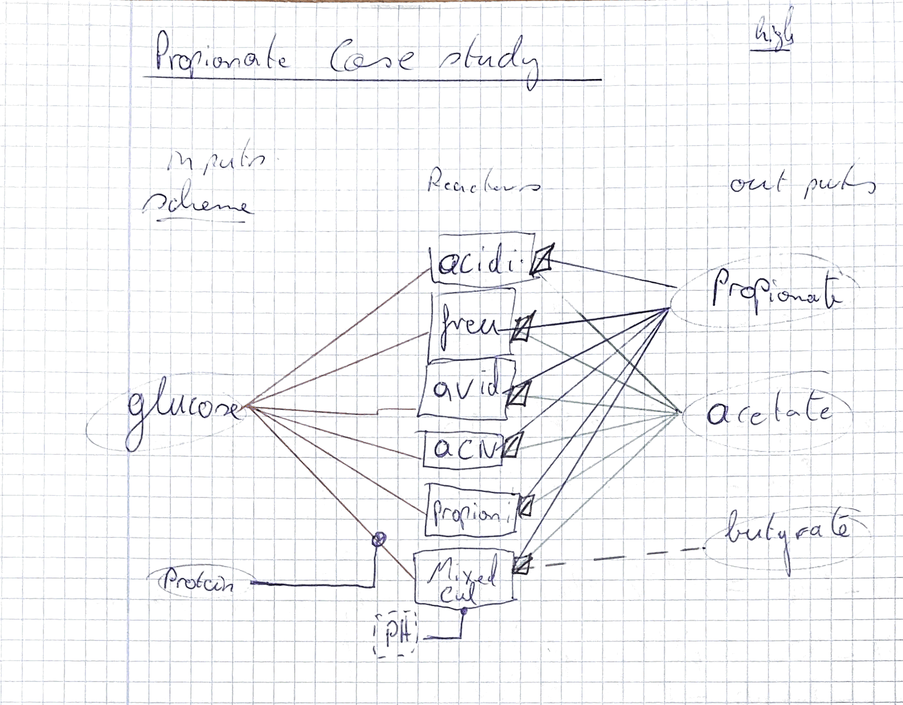
connect by looking at which streams connect to the next intervall (i.e wat are the reactor inputs and how are they connected to their outputs)
0 -> not connencted
1 -> connected
mix in the same colunm indiacte that the outputs of the intervals are mixed
sep_nr = define which seperation stream goes where
split_nr = define which split streqm goes where
options :
bool, split, sep 0 or 1
can be a combination
process_intervals | carbon_input | P_acidi_batch | P_freu_batch | P_avi_batch | P_acn_batch | P_pro_batch | open_fermentation | acetate | propionate | buytrate
carbon_input | 0 | bool | bool | bool | bool | bool | bool | 0 | 0 | 0
P_acidi_batch | 0 | 0 | 0 | 0 | 0 | 0 | 0 | sep1 | sep2 | 0
P_freu_batch | 0 | 0 | 0 | 0 | 0 | 0 | 0 | sep1 | sep2 | 0
P_avi_batch | 0 | 0 | 0 | 0 | 0 | 0 | 0 | sep1 | sep2 | 0
P_acn_batch | 0 | 0 | 0 | 0 | 0 | 0 | 0 | sep1 | sep2 | 0
P_pro_batch | 0 | 0 | 0 | 0 | 0 | 0 | 0 | sep1 | sep2 | 0
open_fermentation | 0 | 0 | 0 | 0 | 0 | 0 | 0 | sep1 | sep2 | sep3
acetate | 0 | 0 | 0 | 0 | 0 | 0 | 0 | 0 | 0 | 0
propionate | 0 | 0 | 0 | 0 | 0 | 0 | 0 | 0 | 0 | 0
buytrate | 0 | 0 | 0 | 0 | 0 | 0 | 0 | 0 | 0 | 0

